INSTRUCTIONS
This spreadsheet is an example of an easy, non-programmatic way to load data into Neo4j. Please copy, enhance and redistribute as much as you can.

Instructions:
CREATE a new empty file, import.txt
ADD "BEGIN" to the top of the import.txt file
COPY ALL OF THE NODE queries TO the import.txt file
COPY ALL OF THE RELATIONSHOP queries TO THE SAME import.txt file
ADD "COMMIT" to the end of the import.txt file | this commits the transaction
MAKE SURE THAT AUTO_INDEXING for neo4j is enabled, set node_auto_indexing=true and node_keys_indexable=id,name,type in conf/neo4j.properties
see the manual (http://docs.neo4j.org/chunked/milestone/auto-indexing.html) for more info.
THEN EXECUTE THE FOLLOWING COMMAND, making sure that Neo4j is NOT running:
cat import.txt | <neo4j directory>/bin/neo4j-shell -config conf/neo4j.properties -path <neo4j directory>/data/graph.db
THEN START NEO4J: <neo4j directory>/bin/neo4j start
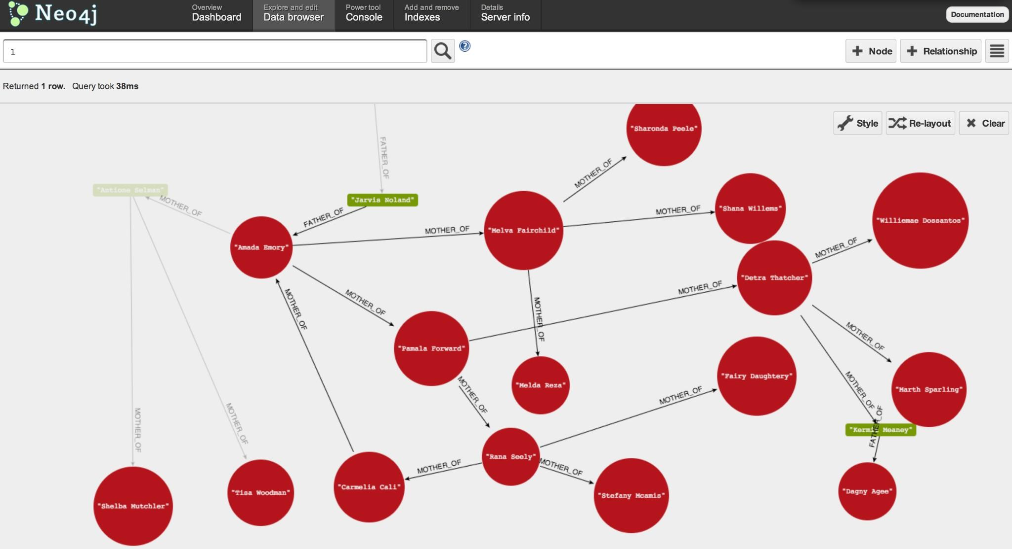
ENJOY!

